Sri Lanka User
Sr No | Scenario | Expected Result | Pass/Fail | Remarks
1 | Srilanka User >Login [Primary Login :Mobile Number} | Login must be Successful
2 | Login- Srilanka User [Primary : Email ID} | Login must be Successful
3 | Login with non-verifed username | Invalid username or password . Please use verifed credentials Only
4 | Sri Lanka user>Sign Up | Sign up must be successful and User must be able to login with registered credentials
5 | Sri Lanka user > Forgot Password | User must able to change password using forgot Password Journey
6 | Login Sri Lanka User >Profile >MirAIe Tab | Name , Email ID [Verified or Verify] , Mobile No [Verified or Verfiy] , Home , Update Location ,Change language , Change Password , Logout
7 | Login Sri Lanka User >Profile >others | Link Alexa Account
8 | Login Sri Lanka User >Profile>MirAie Tab>Change language | English (Default), Tamil
9 | Login Sri Lanka User>Profile>MirAie Tab>Change language to Tamil | 1. App language change to Tamil 2. No font change 3. No Boxed icons
10 | Login Sri Lanka User >Setting | App Tour , Terms & Conditions , Privacy Policy , Third Party Licenses , Upgrade Firmware , Contact Us , Send your Feedback
11 | Login Sri Lanka User >Setting>Upgrade Firmware | 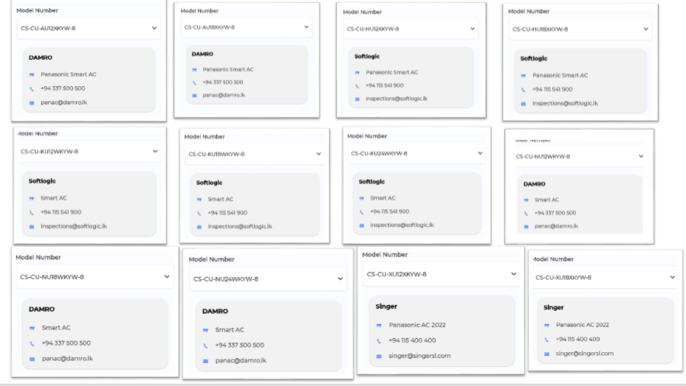
12 | Login Sri Lanka User >Setting >Contact Us | Support Models must show with distributor details
13 | Login Sri Lanka User >Click on "+" Button in Dashboard | Must Support AC
14 | Login Sri Lanka User >Click on "+" Button in Room | Must Support AC
15 | Login Sri Lanka User > On-boarding for Some Appliance from Dashboard | On-boarding must be successful
16 | Login Sri Lanka User > On-boarding for Some Appliance from Room | On-boarding must be successful and Device must listed in that particular ROOM
17 | Login Sri Lanka User >Click on ROOM >Device listing in ROOM | In ROOM , AC must show

Refrigerator
Android/iOS | TC Severity (H,M,L) | Scenario No. | Scenario | Test Description | Test Case No. | Test Data | Test Case | Expected Result | Reference Image

Android/iOS | H | 1 | Refrigerator Dashboard | Verify the components present in the Refrigerator Dashboard after complete on-boarding | 1.1 | Dashboard | Preconditions: 1.Ensure that the user must installed the MirAIe app in mobile 2.Ensure that user must completes the login process 3.Ensure that user has successfully on-boarded refrigerator Test steps: 1.Check the components present in the refrigerator dashboard | App should display the Refrigerator widget screen with the components Model Number ,Refrigerator Mode with Specified Icon, Refrigerator Image , Fridge and Freezer Temperature in number with Specified Icon in Degree Celsius , Ambient Temperature with Icon in Degree Celsius , Online Status
Android/iOS | H |  | Refrigerator Dashboard | Verify the Icon and Text colour for each component present in Refrigerator Dashboard | 1.2 | Icon and Text Colour | Preconditions: 1.Ensure that the user must installed the MirAIe app in mobile 2.Ensure that user must completes the login process 3.Ensure that user has successfully on-boarded refrigerator 4. Ensure that all components should present in the refrigerator dashboard with Online Status Test steps: 1.Check the Icon and Text Colour in Online Status | App Should display the Icon Colour as per below in Online Status Model Number: Black Colour Refrigerator Mode with Specified Icon : Gray Colour Refrigerator Image : Gray and White Freeze and Freezer icon with Degree Celcius : Icon : Black Colour , Numbers : Black Colour , Degree Celcius: Gray Colour Ambient Temperature : Icon: Gray Colour & Number Degree Celcius: Gray Colour Online Status: Green
Android/iOS | H |  | Refrigerator Dashboard | Verify the Icon and Text colour for each component present in Refrigerator Dashboard | 1.2 | Icon and Text Colour | Preconditions: 1.Ensure that the user must installed the MirAIe app in mobile 2.Ensure that user must completes the login process 3.Ensure that user has successfully on-boarded refrigerator 4. Ensure that all components should present in the refrigerator dashboard with Offline Status (No Network) Test steps: 1.Check the Icon Colour and Text Colour in Offline Status (No Network) | All Icons and Text should be gray out with no option to access
Android/iOS | H | 2 | Refrigerator Landing Page | Verify the components present in the Refrigerator Landing Page | 2.1 | Landing Page -Online Status | Preconditions: 1.Ensure that the user must installed the MirAIe app in mobile 2.Ensure that user must completes the login process 3.Ensure that user has successfully on-boarded refrigerator 4.Ensure All Refrigerator Online Status Green Test steps: 1. Enter Refrigerator Landing Page | App should display the Refrigerator Landing Page in with the components -Device Name , Refrigerator Model Number , Green Dot with Online , Setting Icon , Fridge Image , Freezer Temperature in Degree Celsius with Freezer Icon and mentioned Freezer below Temperature , Fridge Temperature in Degree Celsius with Fridge Icon and mentioned Fridge below Temperature , Ambient Temperature in Degree Celsius with Ambient icoon and mentioned Ambient below Temperature , Door Open Icon , Door Closed Icon , Modes like Smart and Fast Freezer in Separate Curved corner Rectagular Box with icon and Recommended Actions , Customise , Chiled Lock On and OFF with Lock Sign in Separate Rectangle Box , Fridge On with Toggle Switch in Separate Rectangle Box | 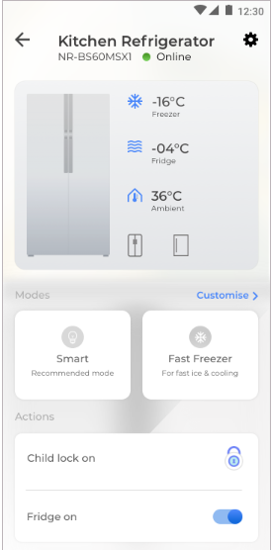
Android/iOS | H | 2 | Refrigerator Landing Page | Verify the components present in the Refrigerator Landing Page | 2.2 | Landing Page - Offline Status | Preconditions: 1.Ensure that the user must installed the MirAIe app in mobile 2.Ensure that user must completes the login process 3.Ensure that user has successfully on-boarded refrigerator 4.Ensure All Refrigerator Offline Status Test steps: 1. Enter Refrigerator Landing Page | All options to gray out except setting option in accessible state | 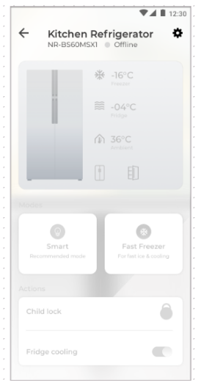
Android/iOS | H |  | Refrigerator Landing Page | Verify the Icon and Text colour for each component present in Refrigerator Landing Page | 2.3 | Icon and Text Colour | Preconditions: 1.Ensure that the user must installed the MirAIe app in mobile 2.Ensure that user must completes the login process 3.Ensure that user has successfully on-boarded refrigerator 4.Ensure All Refrigerator Online Status Green Test steps: 1. Enter Refrigerator Landing Page 2. Check Icon and Text Colour | Icons and Text Colour Should be like below…………………………………………………………1.Device Name : Bold Black Colour 2. Refrigerator Model Number : Black Colour 3. Online Status : Green Dot with Online in Black Colour 4. Setting Icon : Bold Black Colour 5. Fridge Image : Gray Colour Image 6. Freezer : Temperature in Black Colour with degree celsius in Black Colour with Icon in Blue Colour and Freezer in Gray Colour below Temperature 7.. Fridge : Temperature in Black Colour with degree celsius in Black Colour with Icon in Blue Colour and Fridge in Gray Colour below Temperature 8. Ambient : Temperature in Black Colour with degree celsius in Black Colour with Icon in Blue Colour and Ambient in Gray Colour below Temperature 9. Door Open : Icon in Black Colour 10. Door Closed : Icon in Black Colour 11. Customse : Blue Colour Text with less than sign
Android/iOS | H |  | Refrigerator Landing Page | Verify the Icon and Text colour for each component present in Refrigerator Landing Page | 2.4 | Icon and Text Colour | Preconditions: 1.Ensure that the user must installed the MirAIe app in mobile 2.Ensure that user must completes the login process 3.Ensure that user has successfully on-boarded refrigerator 4.Ensure All Refrigerator Online Status Green Test steps: 1. Enter Refrigerator Landing Page 2. Check Icon and Text Colour | Icons and Text Colour Should be like below Modes: Smart Mode in gray out condition and Fast Freeze Mode in gray out conditon Child Lock - Rectangle Box with Lock for Off Condition in Black Colour and ON Condition in Blue Colour Freeze Off - Toggle Swtich ON and Blue Colour | 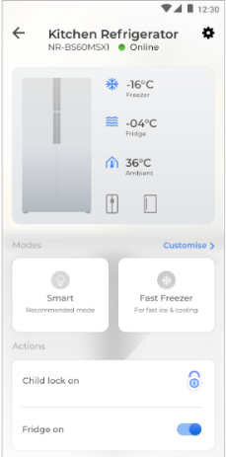
Android/iOS | H |  | Refrigerator Landing Page | Verify Smart Mode | 2.5 | Smart Mode | Preconditions: 1.Ensure that the user must installed the MirAIe app in mobile 2.Ensure that user must completes the login process 3.Ensure that user has successfully on-boarded refrigerator 4. Ensure that user is in Refrigerator Controls Test steps: 1. Click on Smart Mode (Recommended Mode) 2. Verify Icon Colour and Text Colour of Smart Mode 3. Verify icon and number with degree celcius for Fridge and Freezer Temperature 4.Verify other modes and icons status in Smart 5. Customized Option and Text Colour 6. Toast Message for Smart Mode | 1. In this mode, the temperature of the Fridge compartment is set to 5 ° C, and the temperature of the freezer compartment is set to -18 ° C 2.Icon colour need to change Blue and "Smart" Text becomes Black with Bold Test 3.Fridge , Freezer, Ambient Icon should be in Blue and number with degree celsius in Black . Freezer , Fridge and Ambient in Gray Colour below temperature 4.Modes :Fast Freeze to be Silent (Unable to Access. 5.Customized option to be Blue Colour 6. Toast Message "Smart Mode is recommended for optimal temperature Management" | 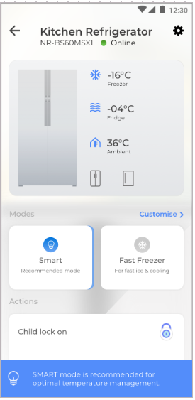
Android/iOS | H |  | Refrigerator Landing Page | Verify Fast-Freeze Mode | 2.5 | Fast- Freeze Mode | Preconditions: 1.Ensure that the user must installed the MirAIe app in mobile 2.Ensure that user must completes the login process 3.Ensure that user has successfully on-boarded refrigerator 4. Ensure that user is in Refrigerator Controls Test steps: 1. Click on Fast-Freeze Mode 2. Verify Icon Colour and Text Colour of Fast-Freeze Mode 3. Verify icon and number with degree celcius for Fridge and Freezer Temperature 4.Verify other modes and icons status in Fast-Freeze Mode 5. Customized Option and Text Colour 6. Fridge Off toggle button | 1. In this mode, the freezer is automatically set to -32 ° C. In this mode only Fridge temperature can be controlled 2.Icon colour need to change Blue and "Fast Freeze" Text becomes Black with Bold Test 3 Fridge , Freezer, Ambient Icon should be in Blue and number with degree celsius in Black . Freezer , Fridge and Ambient in Gray Colour below temperature 4.Modes :Manual , Fridge Off and Smart to be Silent (Unable to Access) Icons for Ambient Temperatue should show in Gray colour 5.Customized option text become Blue and after click on it can able to adjust Freezer temperature by using termometer scale from -16 Degree to -24 Degree 6. Fridge Off toggle button must be in Off Condition | 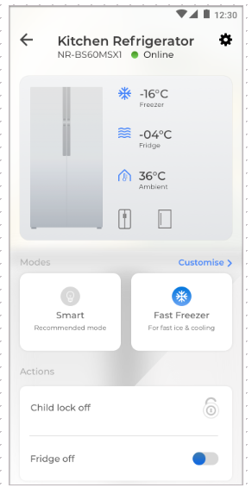
Android/iOS | H |  | Refrigerator Landing Page | Freezer Temperature Control | 2.6 | Freezer Compartment | Preconditions: 1.Ensure that the user must installed the MirAIe app in mobile 2.Ensure that user must completes the login process 3.Ensure that user is in Dashboard after add Refrigerator 4. Ensure that user is in Refrigerator Controls 5. Ensure User On Fast Freezer Mode Test steps: 1. Click on Customize option 2. Adjust Fridge Compartment temperature by thermometer Scale 3. Verify Themometer Colour and its scale Up Down animation .Verify Icon and Text Colour 4. Check temperature feedback on Actual Working for Freeze 5. Verify Press Cross Sign | 1. Customize should show Freezer Compartment with thermometer Scale 2. Thermometer Scale should show with Freezer temperature in Black Colour with Degree Celsius . Scale adjust min -24 Degree to max -16 Degree . Scale movement must need to be smooth without any flicker or stucking. 3. Thermometer should adjust up and down with Blue colour filling .Number and Scale on Themometer should be in Blue Colour 4. Temperature must need adjust as per scale and its actual response need to observe in actual Fridge 5. Press on Cross Sign should take User to Landing Page | 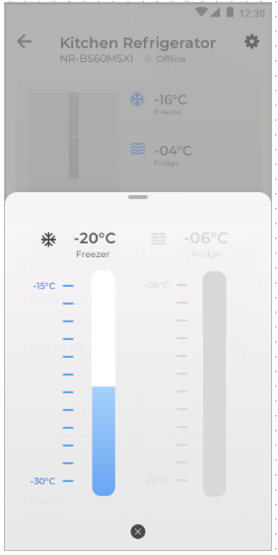
Android/iOS | H |  | Refrigerator Landing Page | Verify Fridge On | 2.7 | Fridge-ON | Preconditions: 1.Ensure that the user must installed the MirAIe app in mobile 2.Ensure that user must completes the login process 3.Ensure that user has successfully on-boarded refrigerator 4. Ensure that user is in Refrigerator Controls Test steps: 1. Verify Toggle Button for Fridge- On 2.Verify Icon Colour and Text Colour of Fridge on 3. Verify icon and number with degree celcius for Fridge and Freezer Temperature 4.Verify other modes state 5. Verify Customized Option and Text Colour | 1. In this mode, Fridge is ON Condition for use Toggle for Switch ON 2.Icon colour for Fridge ON should be Black with Toggle Turn into Complete Blue with Dot in Dark Blue Colour 3.Fridge , Freezer, Ambient Icon should be in Blue and number with degree celsius in Black . Freezer , Fridge and Ambient in Gray Colour below temperature 4.Modes : Fridge Off and Smart to be Silent (Unable to Access) Icons 5.Customized option text become Blue and after click on it can able to show Freezer and Fridge temperature by using themometer scale | 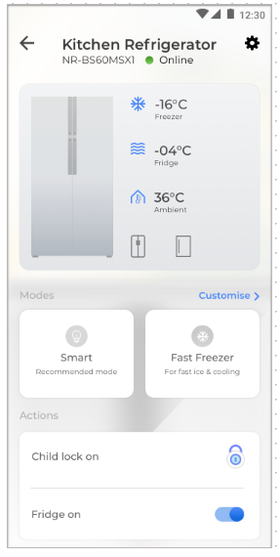
Android/iOS | H |  | Refrigerator Landing Page | Fridge and Freezer Temperature Control | 2.8 | Fridge & Freezer Compartment | Preconditions: 1.Ensure that the user must installed the MirAIe app in mobile 2.Ensure that user must completes the login process 3.Ensure that user is in Dashboard after add Refrigerator 4. Ensure that user is in Refrigerator Controls 5. Ensure User On Fridge ON Test steps: 1. Click on Customize option 2. Adjust Fridge and Freezer Compartment temperature by thermometer Scale 3. Verify Themometer Colour and its scale Up Down animation .Verify Icon and Text Colour 4. Check temperature feedback on Actual Working for Freeze 5. Verify Press Cross Sign | 1. Customize should show Fridge and Freezer Compartment with thermometer Scale 2. Thermometer Scale should show with temperatures in Black Colour with Degree Celsius and icon in Black Colour Scale adjust min -24 Degree to max -16 Degree for Freezer and Min 2 and Max 8 Degree Celsius for Fridge Scale movement must need to be smooth without any flicker or stucking. 3. Thermometer should adjust up and down with Blue colour filling .Number and Scale on Themometer should be in Blue Colour 4. Temperature must need adjust as per scale and its actual response need to observe in actual Fridge 5. Press on Cross Sign should take User to Landing Page | 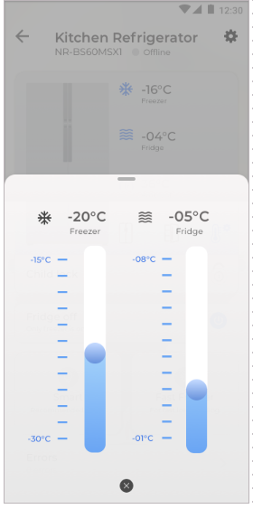
Android/iOS | H | 3 | Smart Mode | Verify Smart Mode ON/OFF by Button in Widget | 3.1 | Button | Preconditions: 1.Ensure that the user must installed the MirAIe app in mobile 2.Ensure that user must completes the login process 3.Ensure that user is in Dashboard after add Refrigerator 4. Ensure that user is in Refrigerator Controls 5. Ensure User Select Smart Mode Test steps: 1. Press Smart Button in Widget for Mode ON/OFF | Smart Mode must ON/OFF by pressing Button in Widget
Android/iOS | H |  | Fast-Freeze Mode | Verify Fast-Freeze ON/OFF by Button in Widget | 3.2 | Button | Preconditions: 1.Ensure that the user must installed the MirAIe app in mobile 2.Ensure that user must completes the login process 3.Ensure that user is in Dashboard after add Refrigerator 4. Ensure that user is in Refrigerator Controls 5. Ensure User Select Fast-Freeze Mode Test steps: 1. Press Fast- Freeze Button in Widget for Mode ON/OFF | Fast-Freeze must ON/OFF by pressing Button in Widget
Android/iOS | H |  | Fridge Compartment | Verify Fridge ON/OFF by Toggle Switch | 3.3 | Toggle Switch | Preconditions: 1.Ensure that the user must installed the MirAIe app in mobile 2.Ensure that user must completes the login process 3.Ensure that user is in Dashboard after add Refrigerator 4. Ensure that user is in Refrigerator Controls Test steps: 1. Swipe Toggle Switch ON and OFF | Fridge should ON/Off after swipe Toggle Switch
Android/iOS | H |  | Mode Switching | Swtich Mode from Smart to Fast-Freezee | 3.4 | Fast-Freeze | Preconditions: 1.Ensure that the user must installed the MirAIe app in mobile 2.Ensure that user must completes the login process 3.Ensure that user is in Dashboard after add Refrigerator 4. Ensure that user is in Refrigerator Controls 5. Ensure User select Smart Mode Test steps: Press Button Fast-Freeze Mode | User must able to change mode from Smart to Fast-Freeze
Android/iOS | H |  | Mode Switching | Switch Mode From Smart to Manual | 3.5 | Manual | Preconditions: 1.Ensure that the user must installed the MirAIe app in mobile 2.Ensure that user must completes the login process 3.Ensure that user is in Dashboard after add Refrigerator 4. Ensure that user is in Refrigerator Controls 5. Ensure User select Smart Mode Test steps: Press Smart Mode Button | User must able to change mode from Smart to Manual
Android/iOS | H |  | Mode Switching | Switch Mode From Smart to Fridge-Off | 3.6 | Fridge-Off | Preconditions: 1.Ensure that the user must installed the MirAIe app in mobile 2.Ensure that user must completes the login process 3.Ensure that user is in Dashboard after add Refrigerator 4. Ensure that user is in Refrigerator Controls 5. Ensure User select Smart Mode Test steps: Toggle Switch for Fridge to Off | User must able to change mode from Smart to Fridge Off
Android/iOS | H |  | Mode Switching | Swtich Mode from Fast -Feeeze to Smart | 3.7 | Smart Mode | Preconditions: 1.Ensure that the user must installed the MirAIe app in mobile 2.Ensure that user must completes the login process 3.Ensure that user is in Dashboard after add Refrigerator 4. Ensure that user is in Refrigerator Controls 5. Ensure User select Fast-Freeze Mode Test steps: Press Button Smart Mode | User must able to change mode from Fast-Freeze to Smart
Android/iOS | H |  | Mode Switching | Switch Mode From Fast-Freeze to Manual | 3.8 | Manual | Preconditions: 1.Ensure that the user must installed the MirAIe app in mobile 2.Ensure that user must completes the login process 3.Ensure that user is in Dashboard after add Refrigerator 4. Ensure that user is in Refrigerator Controls 5. Ensure User select Fast-Freeze Test steps: Press Button Fast-Freeze | User must able to change from Fast-Freeze to Manual
Android/iOS | H |  | Mode Switching | Switch Mode From Fast Frreze to Fridge-Off | 3.9 | Fridge-Off | Preconditions: 1.Ensure that the user must installed the MirAIe app in mobile 2.Ensure that user must completes the login process 3.Ensure that user is in Dashboard after add Refrigerator 4. Ensure that user is in Refrigerator Controls 5. Ensure User select Fast-Freeze Mode Test steps: Toggle Switch for Fridge to Off | User must able to change mode from Fast-Freeze to Fridge Off
Android/iOS | H |  | Mode Switching | Swtich Mode from Fridge-off to Smart Mode | 3.10 | Smart Mode | Preconditions: 1.Ensure that the user must installed the MirAIe app in mobile 2.Ensure that user must completes the login process 3.Ensure that user is in Dashboard after add Refrigerator 4. Ensure that user is in Refrigerator Controls 5. Ensure User select Fridge -Off Mode Test steps: Press Button Smart Mode | User should not able to change mode from fridge -off to Smart
Android/iOS | H |  | Mode Switching | Switch Mode From Fridge-Off to Manual | 3.11 | Manual | Preconditions: 1.Ensure that the user must installed the MirAIe app in mobile 2.Ensure that user must completes the login process 3.Ensure that user is in Dashboard after add Refrigerator 4. Ensure that user is in Refrigerator Controls 5. Ensure User select Fridge Off Test steps: Toggle Switch for Fridge Off to ON | User must able to change from Fridge Off to Manual
Android/iOS | H |  | Mode Switching | Switch Mode From Fridge-Off to Fast-Freeze | 3.12 | Fast-Freeze | Preconditions: 1.Ensure that the user must installed the MirAIe app in mobile 2.Ensure that user must completes the login process 3.Ensure that user is in Dashboard after add Refrigerator 4. Ensure that user is in Refrigerator Controls 5. Ensure User select Fridge-Off Test steps: Press Fast- Freezer Button | User must able to change mode from Fridge off to Fast-Freeze
Android/iOS | H | 4 | Settings | Verify Components Present in Setting Page | 4.1 |  | Preconditions: 1.Ensure that the user must installed the MirAIe app in mobile 2.Ensure that user must completes the login process 3.Ensure that user is in Dashboard after add Refrigerator 4. Ensure that user is in Refrigerator Landing 5. Ensure that user is in Setting Page Test steps: 1. Click on Setting icon on Landing page and check components present in Setting Page | App should display Device Name , Model Number of Refrigerator , Firmware Version , Refrigerator Capacity in Litre , Refrigerator Image, Rooms Assigned, Notifications Setting for Fridge and Freezer Door Thershold along with Timer Set Up , Diagonise Device , Change WiFi Password , Rename Device | 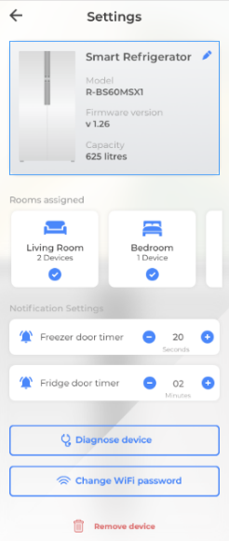
Android/iOS | M |  | Settings | Verify Device Name | 4.2 | Device Name Text Colour | Preconditions: 1.Ensure that the user must installed the MirAIe app in mobile 2.Ensure that user must completes the login process 3.Ensure that user is in Dashboard after add Refrigerator 4. Ensure that user is in Refrigerator Landing Page 5. Ensure that user is in Settings Test steps: 1. Check Device Name shown in Manage Device 2. Check Text Colour of Device Name 3. Pen Icon colour for Edit Device Name | 1. It must show Device Name "Smart Refrigerator" 2. Text should be in Bold Black Colour 3. Pen Icon Colour should be in Blue Colour
Android/iOS | M |  | Settings | Edit Device Name | 4.3 | Edit | Preconditions: 1.Ensure that the user must installed the MirAIe app in mobile 2.Ensure that user must completes the login process 3.Ensure that user is in Dashboard after add Refrigerator 4. Ensure that user is in Refrigerator Landing Page 5. Ensure that user is in Settings Test steps: 1. Edit Device Name by pressing Pen Icon | 1. Press on Pen should able to edit device name and update name
Android/iOS | M |  | Settings | Verify Refrigerator Model Number | 4.4 | Refrigerator Model Number | Preconditions: 1.Ensure that the user must installed the MirAIe app in mobile 2.Ensure that user must completes the login process 3.Ensure that user is in Dashboard after add Refrigerator 4. Ensure that user is in Refrigerator Landing Page 5. Ensure that user is in Settings Test steps: 1. Check Refrigerator Model Number shown in Settings 2. Check Text Colour of Refigerator Model Number | 1. Refrigerator Model Number must be NR-BS62GKX1 Or NR-BS62MKX1 2. Refrigerator Model must need to show in Bold Black Colour
Android/iOS | M |  | Settings | Verify Firmware Version | 4.5 | Firmware Version | Preconditions: 1.Ensure that the user must installed the MirAIe app in mobile 2.Ensure that user must completes the login process 3.Ensure that user is in Dashboard after add Refrigerator 4. Ensure that user is in Refrigerator Landing Page 5. Ensure that user is in Settings Test steps: 1. Verify Firmware Version shown in Settings 2. Check Text Colour of Firmware Version | 1. Firmware Version should be like V1.0 2. Text of Firmware Version should be Bold Black Colour
Android/iOS | M |  | Settings | Verify Refrigerator Capacity | 4.6 | Refrigerator Capacity | Preconditions: 1.Ensure that the user must installed the MirAIe app in mobile 2.Ensure that user must completes the login process 3.Ensure that user is in Dashboard after add Refrigerator 4. Ensure that user is in Refrigerator Landing Page 5. Ensure that user is in Settings Test steps: 1. Verify Refrigerator Capacity mentioned in Settings 2. Check Text Colour of Refrigerator Capacity | 1. Refrigerator Capacity should shown correctly as per Refrigerator Model in Settings 2. Text of Refrigerator Capacity should be Bold Black Colour
Android/iOS | M |  | Settings | Verify Room Assigned | 4.7 | Move Refrigerator from One Room to Another | Preconditions: 1.Ensure that the user must installed the MirAIe app in mobile 2.Ensure that user must completes the login process 3.Ensure that user is in Dashboard after add Refrigerator 4. Ensure that user is in Refrigerator Landing Page 5. Ensure that user is in Settings Test steps: 1. Click on Room assigned 2. Change Room and Move device | Refrigerator must need to move new assigned Room e.g. if move Refrigerator from Living Room to Kitchen At that stage Refrigerator must show in Kitchen
Android/iOS | H |  | Settings | Verify Room Assigned | 4.8 | One Room | Preconditions: 1.Ensure that the user must installed the MirAIe app in mobile 2.Ensure that user must completes the login process 3.Ensure that user is in Dashboard after add Refrigerator 4. Ensure that user is in Refrigerator Landing Page 5. Ensure that user is in Settings Test steps: 1. Make sure one Room Available 2. Change Room and Move device 3. Click on X Sign | 1.It must show one room in Dashboard 2. It should show error "Please create new rooms from the dashboard and then with Moving Refrigerator" 3. User Should be in Manage Device Page
 | H |  | Settings | Verify Door Open and Closed Timer option in Settings | 4.9 | Timer | Preconditions: 1.Ensure that the user must installed the MirAIe app in mobile 2.Ensure that user must completes the login process 3.Ensure that user is in Dashboard after add Refrigerator 4. Ensure that user is in Refrigerator Landing Page 5. Ensure that user is in Settings Test steps: 1. Verify Fridge and Freezer Door Open Timer Settings in Setting 2. Verify Text Colour and Timer Set Up Colour along with Number Colour | 1. User must need to see Fridge and Freezer door open Timer Setting 2. It must show "Freezer door timer" with Bell icon in Blue Colour 3. Timer "-" Sign and "+" in Blue Colour Circle in White Colour . Number should be Black with Second mentioned in gray below number
Android/iOS | H |  | Settings | Verify Freezer Door Timer | 4.10 | Option | Preconditions: 1.Ensure that the user must installed the MirAIe app in mobile 2.Ensure that user must completes the signup process. 3.Ensure that user is in Dashboard after add Refrigerator 4. Ensure that user is in Refrigerator Controls 5. Ensure that user is in Manage Device Test steps: 1. Verify Door Open Notification threshold option | It must need to show option for adjust Door Open Notification threshold option for Fridge and Freezer
Android/iOS | H |  | Setting | Verify Door Open threshold timer from 1 min to 10 min | 4.11 | Option | Preconditions: 1.Ensure that the user must installed the MirAIe app in mobile 2.Ensure that user must completes the signup process. 3.Ensure that user is in Dashboard after add Refrigerator 4. Ensure that user is in Refrigerator Controls 5. Ensure that user is in Manage Device Test steps: 1. Verfy timer in Door open threshold option in Manage Device | Timer must need to adjust from 2 min to 15 min in Fridge and Freezer
Android/iOS | H |  | Settings | Verify actual door notification status after adjust timer from 1 min to 10 min | 4.12 | Option | Preconditions: 1.Ensure that the user must installed the MirAIe app in mobile 2.Ensure that user must completes the signup process. 3.Ensure that user is in Dashboard after add Refrigerator 4. Ensure that user is in Refrigerator Landing Page 5. Ensure that user is in Settings Test steps: 1. Verify timer in Door open threshold option in Setting | As per Timer should initiate notification for each adjust time
Android/iOS | H | 6 | Settings | Verify door open notification threshold | 4.13 | Notification | Preconditions: 1.Ensure that the user must installed the MirAIe app in mobile 2.Ensure that user must completes the login process 3.Ensure that user is in Dashboard after add Refrigerator 4. Ensure that user is in Refrigerator Controls Test steps: 1. Verify Fridge door status in Dashboard and Controls 2. Verify actual door status after open | Door status should notify in Application Widget , Dashboard as well as by push continues if threshould value more than 10 minutes . User should notify to closed door before 10 minutes '
Android/iOS | H |  | Settings | Change Wifi- Password | 4.14 | Components | Preconditions: 1.Ensure that the user must installed the MirAIe app in mobile 2.Ensure that user must completes the signup process. 3.Ensure that user is in Dashboard after add Refrigerator 4. Ensure that user is in Refrigerator Landing Page 5. Ensure that user is in Settings Test steps: 1. Click on Change WIFI Password 2. Check components presents in Update Device Page | Below components must need to show in Update Device Page 1- MirAIe Logo 2. Updating your Home Wi-Fi Credentials for: Panasonic Refrigerator in White Border rectangle Box 3. Wifi with Blue Circle Dot 4. Location with Blue Circle Dot 5. Internet with Blue Circle Dot 6. Update Device in White World with Blue Background Rectangle Box
Android/iOS | H |  | Settings | Change Wifi- Password | 4.15 | Functions | Preconditions: 1.Ensure that the user must installed the MirAIe app in mobile 2.Ensure that user must completes the signup process. 3.Ensure that user is in Dashboard after add Refrigerator 4. Ensure that user is in Refrigerator Landing Page 5. Ensure that user is in Settings Test steps: 1. Click on Change WIFI Password 2. Click on Update device 3. Press Continue Button | 2. User must able to see instruction for on-boarding device like Press Key on Refrigerator display for 10 Sec etc 3. It must show Device Search Page same like On-boarding
Android/iOS |  |  | Settings | Remove this device | 4.16 | Pop Up Response | Preconditions: 1.Ensure that the user must installed the MirAIe app in mobile 2.Ensure that user must completes the signup process. 3.Ensure that user is in Dashboard after add Refrigerator 4. Ensure that user is in Refrigerator Landing Page 5. Ensure that user is in Settings Test steps: 1. Click on Remove this device | After click on Remove this device pop will appear with message " Are you sure you want to off board this device ? Pressing Yes will remove then device from your account" along with OK and Cancel buttons
Android/iOS |  |  | Settings | Remove this device | 4.17 | Ok Button | Preconditions: 1.Ensure that the user must installed the MirAIe app in mobile 2.Ensure that user must completes the signup process. 3.Ensure that user is in Dashboard after add Refrigerator 4. Ensure that user is in Refrigerator Landing Page 5. Ensure that user is in Settings Test steps: 1. Click on Remove this device 2. Press "OK" Button | Device must need to Off-board and User Back to MirAie Dashboard
Android/iOS |  |  | Setting | Remove this device | 4.18 | Cancel Button | Preconditions: 1Ensure that the user must installed the MirAIe app in mobile 2.Ensure that user must completes the signup process. 3.Ensure that user is in Dashboard after add Refrigerator 4. Ensure that user is in Refrigerator Landing Page 5. Ensure that user is in Settings Test steps: 1. Click on Remove this device 2. Press "Cancel" Button | User must be in Manage Device page
Android/iOS | H |  | Setting | Verify Diagnose | 4.19 | Diagnose | Preconditions: 1.Ensure that the user must installed the MirAIe app in mobile 2.Ensure that user must completes the signup process. 3.Ensure that user is in Dashboard after add Refrigerator 4. Ensure that user is in Refrigerator Controls 5. Ensure that user is in Manage Device Test steps: 1. Click on Diagnose option 2. Press the cancel button for 10 seconds on Refrigerator Touch Panel | At current stage it should ask for re-onboard Refrigerator
Android/iOS | H | 5 | Child Lock | Verify Child Lock Component present in Refrigerator Control | 5.1 | Control Screen | Preconditions: 1.Ensure that the user must installed the MirAIe app in mobile 2.Ensure that user must completes the login process 3.Ensure that user has successfully on-boarded refrigerator 4.Ensure All Refrigerator Online Status Green Test steps: 1. Enter Refrigerator Control Screen 2. Child Lock icon ON/OFF | 1. Child Lock Button should show in Refrigerator Control Screen 2. Child Lock icon should show status for ON/Off
Android/iOS | H |  | Child Lock | Verify Child Lock Icon Color In ON Condition | 5.2 | Icon Colour Status | Preconditions: 1.Ensure that the user must installed the MirAIe app in mobile 2.Ensure that user must completes the login process 3.Ensure that user has successfully on-boarded refrigerator 4.Ensure All Refrigerator Online Status Green Test steps: 1. Enter Refrigerator Control Screen 2. Child Lock icon colour in ON Condition | 1. Child Lock Button should show in Refrigerator Control Screen 2. Child Lock Button icon colour should Turn in Blue Colour
Android/iOS | H |  | Child Lock | Verify Child Lock Icon Color In OFF Condition | 5.3 | Icon Colour Status | Preconditions: 1.Ensure that the user must installed the MirAIe app in mobile 2.Ensure that user must completes the login process 3.Ensure that user has successfully on-boarded refrigerator 4.Ensure All Refrigerator Online Status Green Test steps: 1. Enter Refrigerator Control Screen 2. Child Lock icon colour in ON Condition | 1. Child Lock Button should show in Refrigerator Control Screen 2. Child Lock Button icon colour should be gray out

